Overall Employee Attrition
Overall Employee Attrition

The overall attrition rate is 11.05%, with 88.95% of employees staying
This indicates that while most employees are retained, a focused retention strategy could help further reduce turnover

Attrition by Age Group
Attrition by Age Group

Attrition is highest among employees aged 21–25 (12.93%) and 36–40 (11.50%).
Employees aged 41–55 have the lowest attrition (<9%), indicating retention efforts should focus on younger employees

Attrition by Department & Job R
Resigned and Stayed
Job Role-wise Employee Attrition

IT has the highest attrition at 13.95%, while R&D has the lowest at 8.02% | Finance: Accountant highest attrition (13.33%), Analyst lowest (8.33%)

HR and Operations show moderate attrition, suggesting department-specific retention strategies may be needed | HR: Talent Acquisition very high attrition (20%), HR Executive lowest (5.77%)

 | IT: IT Manager (17%) and System Admin (16.49%) highest; Software Engineer lowest (9.68%)

 | Marketing: Marketing Executive highest (12.90%), Marketing Manager lowest (6.19%)

 | Operations: Attrition consistent (~11%) across roles

 | R&D: Data Scientist highest (10.17%), Research Associate lowest (7.04%)

 | Sales: Sales Manager highest (14.02%), Account Manager lowest (8.89%)

 | Certain roles within departments, especially Talent Acquisition, IT Manager, and System Admin, have higher attrition. HR should focus retention strategies on these high-risk roles

Attrition by Job Satisfaction S
Resignation Trend Across Job Satisfaction Scores

Employees with low job satisfaction (scores 1–2) have the highest attrition, while highly satisfied employees (scores 4–5) show very low attrition.
Improving job satisfaction can significantly reduce turnover

Attrition by Work-Life Balance
Work-Life Balance vs Employee Attrition

Employees with lower work-life balance scores (1–2) have higher attrition
Although the difference is smaller than job satisfaction, improving work-life balance could help reduce resignations

Attrition by Monthly Income Ra
Monthly Income vs Employee Attrition

Only 1 employee in 0–20k band, so 100% resigned is not statistically significant
Attrition decreases slightly as income increases
Employees in the lowest income bands are more likely to leave, highlighting the importance of competitive compensation

Attrition by Job Level
Job Level vs Employee Attrition

Attrition is highest among junior-level employees (Job Level 2) and lowest among senior-level employees (Job Level 5)
Retention strategies should target early-career employees

Dashboard
Overall Employee Attrition
Attrition by Age Group
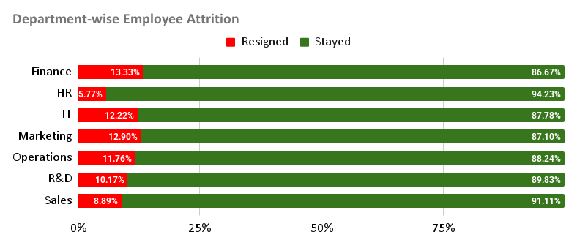

Job Role-wise Employee Attrition

Resignation Trend Across Job Satisfaction Scores
Work-Life Balance vs Employee Attrition

Monthly Income vs Employee Attrition
Job Level vs Employee Attrition

